Release
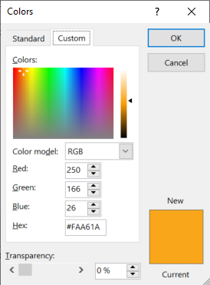
aa_bbvcc, where aa is document sort order as per user needs, bb is the template release number and cc is the document version

(r) Template release |  |  |  |  | https://www.compart.com/en/unicode/U+2022
Version | Date | Made by | Description
9 | 2-Nov-20 | Pieter van Zyl | Updates for company x
10 | 2-Nov-20 | Pieter van Zyl | Version history table added
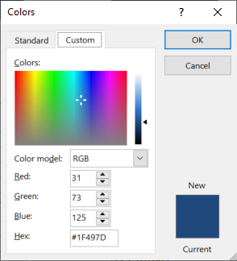
13 | 7-Nov-20 | Pieter van Zyl | Combine 01 and 02 plan in one. Merge tables . Move address sections into StartupInfo
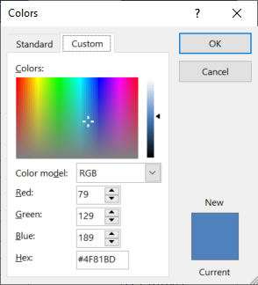
16 | 10-Nov-20 | Pieter van Zyl | Updated the macros
17 | 10-Nov-20 | Pieter van Zyl | Added OU location formula
24 | 18-Nov-20 | Pieter van Zyl | Include Opening briefing lookup (Standard). Add macros back
25 | 18-Nov-20 | Pieter van Zyl | Included resource estimates 12_ResourceEstimatesV3
26 | 19-Nov-20 | Pieter van Zyl | Start working on Participant List (All staff, all potential participants, recommended participants)
34 | 5-Dec-20 | Pieter van Zyl | Included PPQA quality flag
38 | 10-Dec-20 | Pieter van Zyl | Updated pivot table data sources.
43 | 4-Feb-21 | Pieter and Francois | Updates to align with latest BASE release 3.8.0.44 and incorporate Francois planning input.
50 | 28-Apr-21 | Pieter van Zyl | Updated formula error in P1PA-SS and Function Solution Domain reference
51 | 2-May-21 | Pieter van Zyl | Included the Measurement manager role and measurement management process
52 | 8-May-21 | Pieter van Zyl | Update the schedule to only full team.
53 | 27-May-21 | Pieter van Zyl | Small updates. Formulas in Schedule fixed. List of artifacts in tab:P3RF. Added VV3.2 (was omitted)
53 | 7-Jun-21 | Jared Twigg | Added minor changes to Schedule and
56 | 24-Sep-21 | Pieter van Zyl | Include performance report in schedule.
57 | 5-Jan-22 | Jared Twigg | Removed 1.4 from OULC tab (DPI #6)

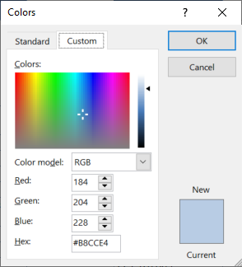
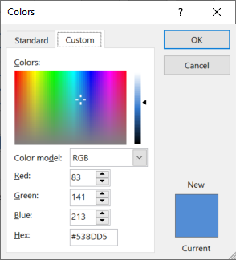

 | Planning & Managing Work |  | Engineering & Developing Products |  | Ensuring Quality

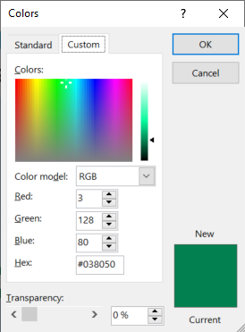
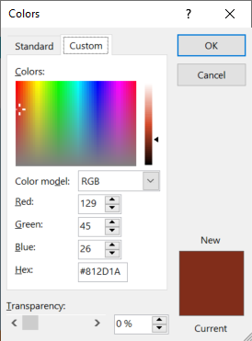
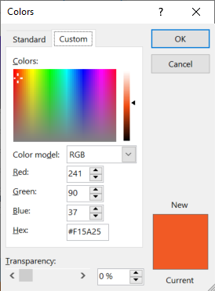

 | Managing Business Resilience |  | Managing the Workforce | Supporting Implementation |  | Sustaining Habit and Persistence | Improving Performance
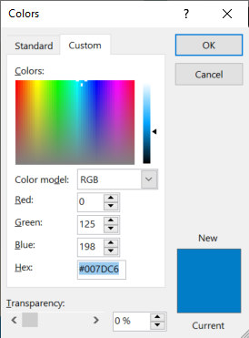
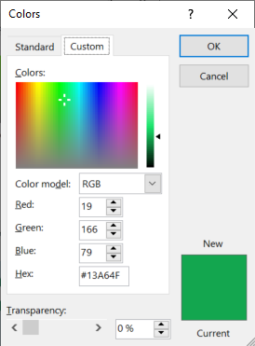
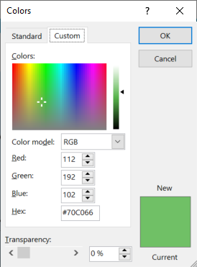
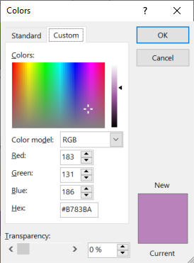
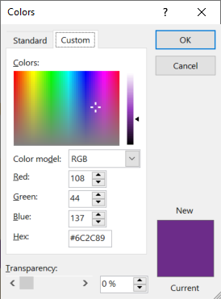

 |  |  |  | Selecting & Managing Suppliers

StartupInfo
Demix appraisal start-up information |  | Source
Organization
Organization name (legal entity name) | NASA | A3
Indigenous name | NASA | A3
Address Line 1 | The Moondoggle Dome-1
Address Line 2 | Crater Cackle Lane-1
City | Base Camp Artemis | A3
State/Province/Region | South Pole | A3
ZIP/Postal Code | MO0N 1GHT
Country | Moon | A3
Organization main address including City, ZIP/Postal Code, and Country | The Moondoggle Dome-1, Crater Cackle Lane-1, Base Camp Artemis, South Pole, MO0N 1GHT, Moon | .
Website address / URL | https://www.nasa.gov/feature/artemis/
Business objectives | [BO1] Achieve maximum safety by reducing workplace incidents by 20% within the next fiscal year. [BO2] Improve delivery capacity by increasing throughput by 35% over the next 18 months. [BO3] Minimize costs by cutting operational expenses by 15% by the end of Q4 | Planning
Appraisal objectives | [A1] In support of the business objectives, understand the current strengths and weaknesses of the CMMI Maturity Level 5 practices within the organization [BO1, BO2 & BO3]. | Planning
Company logo | 

OU Information
OU Name | R&D Department
OU Name (Chinese)
OU Description | The company provides space exploration services…
OU Structure (write, no picture) | 1. General Manager 2. Integrated Management 3. Development Unit 4. Product Department 5. Business Department
Domain | (J-62) Information and communication - Computer programming, consultancy and related activities | Drop down

FTEs from Project&Support | 3
Numbe of FTEs | 0-50 | Drop down

Previous appraisal ID | TO BE PROVIDED
OU locations | If address is different from the organisation, manually enter the address in StartupInfo/below, and unhide the new address in pptxLink1, so it displays in the pptx | .
Address Line 1 | The Moondoggle Dome-1
Address Line 2 | Crater Cackle Lane-1
City | Base Camp Artemis | A3
State/Province/Region | South Pole | A3
ZIP/Postal Code | MO0N 1GHT
Country | Moon | Drop down
Organization main address including City, ZIP/Postal Code, and Country | The Moondoggle Dome-1, Crater Cackle Lane-1, Base Camp Artemis, South Pole, MO0N 1GHT, Moon | .

Appraisal Sponsor and ATL Information
Title | Administrator of NASA | A3
Sponsor Name | Bill Nelson | A3
Organizational affiliation | NASA | A3
Relationship to the Organizational Unit (OU) | Internal | Drop down
Appraisal Sponsor mailing address including city, ZIP/Postal Code, country | The Moondoggle Dome-1, Crater Cackle Lane-1, Base Camp Artemis, South Pole, MO0N 1GHT, Moon | .
Sponsor email address | bill.nelson@nasa.gov | A3
Sponsor phone number | +1 202-358-0001 | A3

OU Coordinator
OU Coordinator name | Ella Harper | A3
Relationship to the OU being appraised | Internal | Drop down
Phone number | +1 202-358-0002 | A3
Email address | ella.harper@nasa.gov | A3

Translator
Name | Lingua Bridges | A3
Organizational Affiliation | Freelance | A3
OU Relationship | External | Drop down
Reporting Relationship | Other | Drop down
Other Reporting Relationship | Reports directly to the ATL
Phone number | +1 202-358-0003 | A3
Email address | lingua.bridges@ris.com | A3

P3RF
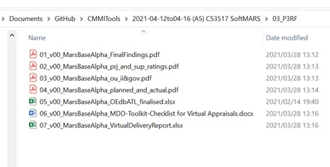
Appraisal Results and Feedback
Team Feedback Froms
Perform in CAS

Appraisal Artifacts
see list in 03_P3RF

